Sheet1
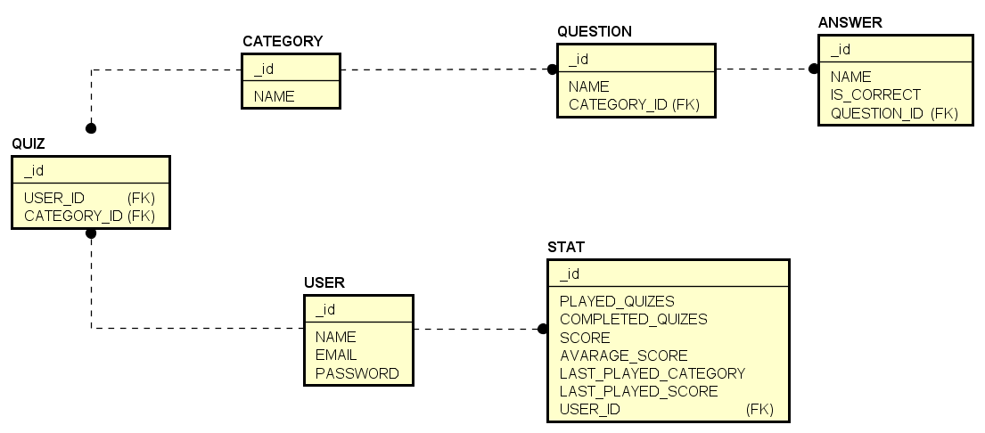

 |  | question |  | answer
 |  | _id | int, primary | _id | int
 |  | name | text, not null | name | text, not null
 |  | category_id | FK(category) | is_correct | boolean, not null
 |  |  |  | question_id | FK(question)
question_test |  | test
question_id | FK(question) | _id | int, primary
test_id | FK(test) | name | text, not null
 |  | category_id | FK(category)

 |  | done_test
 |  | _id | int, primary
 |  | name | text, not null
 |  | score | int
 |  | category_id | FK(category)

